EDA
Data Info
 | Recording | 正式实验8
 | Subject | 姬生文
 | Create Time | 2023-11-23 09:59:39.872
 | Data Name | Finger8 EDA
 | Data Type | EDA
 | Sample Rate | 64
 | Segment | 后静息态
 | Start Time | 1:00:59
 | End Time | 1:05:59
 | Duration | 0:05:00

Replay Chart
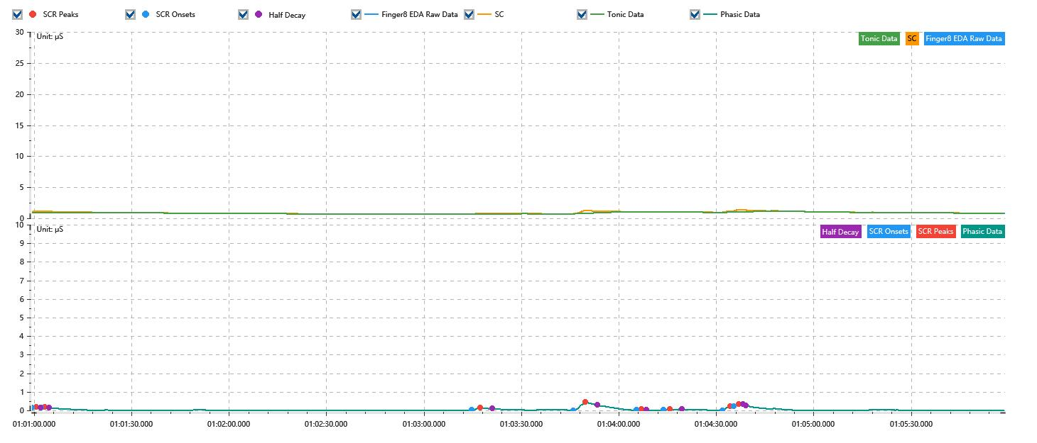

Process parameters
 | Filters
 | Smooth denoise | Enabled | 高斯 | 5(samples)
 | Lowpass filter | Enabled | 5μS
 | Skin Conductance Response
 | SCR extraction | Minimum SCR amplitude | 0.03μS
 | SCR extraction | Max rise time | 4s
 | SCR extraction | Max half decay time | 4s
 | SCR extraction | Peak dection sensitivity | 中
 | Event related activation | Window relative to event | 1s | 4s

Time Domain
 | Data | Mean | Max | Min | Std | Variance | Polar Distance | Data Length
 | SC | 0.9μS | 1.36μS | 0.65μS | 0.17μS | 0.03μS² | 0.71μS | 1200
 | Tonic | 0.86μS | 1.11μS | 0.64μS | 0.13μS | 0.02μS² | 0.47μS | 1200
 | Phasic | 0.04μS | 0.44μS | 0μS | 0.07μS | 0μS² | 0.44μS | 1200

SCR
 | OnsetTime | PeakTime | RiseTime | HalfDecayTime | Amp
 | 0.042354351852 | 0.042368819444 | 1.25s | 1.25s | 0.05μS
 | 0.042386180556 | 0.042400648148 | 1.25s | 1.25s | 0.03μS
 | 0.04391974537 | 0.043951574074 | 2.75s | 3.75s | 0.12μS
 | 0.044281435185 | 0.044324837963 | 3.75s | 3.75s | 0.44μS
 | 0.04450712963 | 0.044524490741 | 1.5s | 1.5s | 0.04μS
 | 0.044602615741 | 0.044625763889 | 2s | 3.75s | 0.04μS
 | 0.044813842593 | 0.044842777778 | 2.5s | 3.75s | 0.21μS
 | 0.044854351852 | 0.044871712963 | 1.5s | 2.25s | 0.15μS

Event Related
 | Event Group | Event Name | Event Description | EventTime | SCRCount | Latency | AmpSum | SCL | Half Decay Time Avg. | Rise Decay Time Avg.
 | Custom | 后静息态采集开始 |  | 0.042351400463 | 1 | 3.01s | 0.03μS | 0.95μS | 1.25s | 1.25s

